Foglio1
STYLE | PHOTO | BRAND | GENDER | DESCRIPTION | COLOR | BARCODE | SIZE | QTY | UNIT RETAIL | TOTAL RETAIL | COMPOSITION | MADE
922228 7P758 13155 | 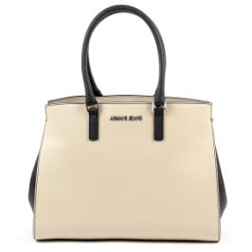 | ARMANI JEANS | WOMEN | BAG | BEIGE | 8057015606255 | OS | 13 | € 222.00 | € 2,886.00 | 85%PL 13%CO 2%VI | CHINA
922168 7P756 07676 | 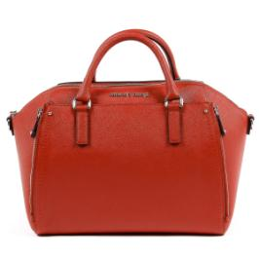 | ARMANI JEANS | WOMEN | BAG | RED | 8057019186418 | OS | 16 | € 235.00 | € 3,760.00 | 100%POLYESTER | CAMBODIA
922168 7P756 11955 | 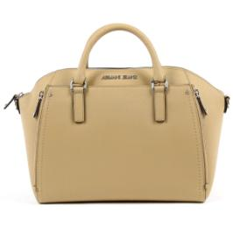 | ARMANI JEANS | WOMEN | BAG | CAMEL | 8057015605760 | OS | 15 | € 235.00 | € 3,525.00 | 100%POLYESTER | CAMBODIA
922166 7P756 00020 | 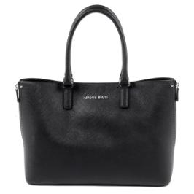 | ARMANI JEANS | WOMEN | BAG | BLACK | 8057019356866 | OS | 9 | € 222.00 | € 1,998.00 | 100%POLYESTER | CAMBODIA
922166 7P756 11955 | 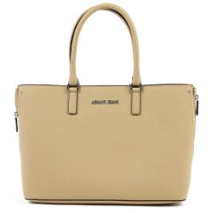 | ARMANI JEANS | WOMEN | BAG | CAMEL | 8057019186333 | OS | 16 | € 222.00 | € 3,552.00 | 100%POLYESTER | CAMBODIA
922171 7P757 09934 | 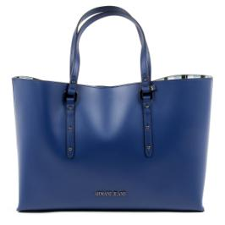 | ARMANI JEANS | WOMEN | BAG | OCEAN BLUE | 8057019186562 | OS | 13 | € 193.00 | € 2,509.00 | 100%POLYESTER | CHINA
922210 7P772 00020 | 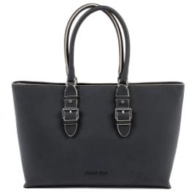 | ARMANI JEANS | WOMEN | BAG | BLACK | 8057015606132 | OS | 9 | € 209.00 | € 1,881.00 | 100%POLYESTER | BULGARIA
922210 7P772 06250 | 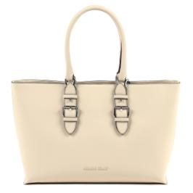 | ARMANI JEANS | WOMEN | BAG | LIGHT BEIGE | 8057019187361 | OS | 16 | € 209.00 | € 3,344.00 | 100%POLYESTER | CHINA
922210 7P772 08170 | 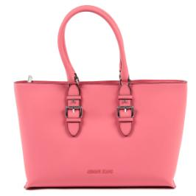 | ARMANI JEANS | WOMEN | BAG | PINK | 8057019187385 | OS | 5 | € 209.00 | € 1,045.00 | 100%POLYESTER | CHINA
922028 7P773 04833 | 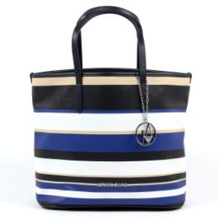 | ARMANI JEANS | WOMEN | BAG | STRIPED BLUE | 8057015605623 | OS | 41 | € 193.00 | € 7,913.00 | 87%PL 8%CO 5%VI | CHINA
922028 7P773 08873 | 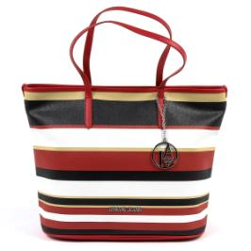 | ARMANI JEANS | WOMEN | BAG | STRIPED RED | 8057019185985 | OS | 42 | € 193.00 | € 8,106.00 | 87%PL 8%CO 5%VI | CHINA
922212 7P772 00020 | 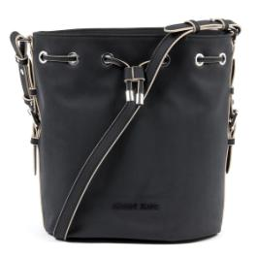 | ARMANI JEANS | WOMEN | BAG | BLACK | 8057019187484 | OS | 13 | € 203.00 | € 2,639.00 | 100%POLYESTER | CHINA
922212 7P772 08070 | 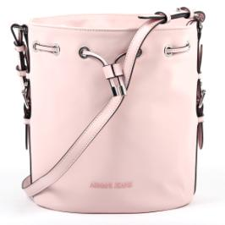 | ARMANI JEANS | WOMEN | BAG | LIGHT PINK | 8057015606156 | OS | 15 | € 203.00 | € 3,045.00 | 100%POLYESTER | CHINA
922166 7P756 31835 | 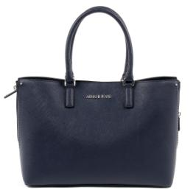 | ARMANI JEANS | WOMEN | BAG | DARNK NAVY | 8057015605746 | OS | 11 | € 222.00 | € 2,442.00 | 100%POLYESTER | CHINA
922171 7P757 00010 | 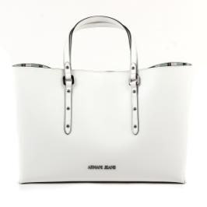 | ARMANI JEANS | WOMEN | BAG | WHITE | 8057015605791 | OS | 5 | € 193.00 | € 965.00 | 100%POLYESTER | CHINA
922171 7P757 08873 | 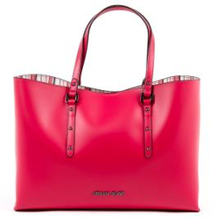 | ARMANI JEANS | WOMEN | BAG | FUXIA | 8057019186555 | OS | 12 | € 193.00 | € 2,316.00 | 100%POLYESTER | CHINA
 |  |  |  |  |  |  |  | 251

